Propeller shaft
Propeller Shaft Arrangement

Parameters | Value | Unit
Waterline Length, LWL | 64.76 | m
Length Between Perpendicular, LBP | 64.55 | m
Breadth moulded, B | 10.77 | m
Draft moulded, T | 3.8 | m
Block Coefficient, Cb | 0.79
Ship Speed, V | 9 | knots
Propeller RPM,N | 200 | rpm
Effective power, P | 197.326 | KW
 | 197.326
Calculation of shaft diameter using theoretical formula

Angular velocity, ꙍ=2πN/60 | 20.9439 | rad/sec
Torque, T=P/ꙍ | 9421.6304 | Nm
Allowable Stress | 450 | N/mm2 |  | (Sir bolse class e 450)
Factor of safety | 2
Working Stress | 225 | N/mm2
 | 225000000 | N/m2
Allowable Stress, τ=TC/J
Radius, C=d/2
Polar moment of inertia, J=πd4/32
Using the stress formula, d3=32T/2πτ | 0.0002
Diameter of the shaft, d | 59.7454 | mm
Approximately | 60 | mm

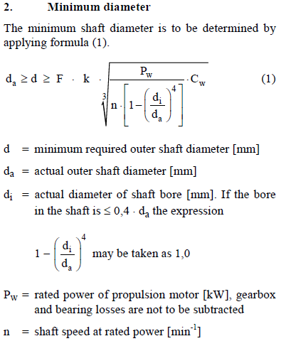
Calculation using GL rule book (Part-1, Chapter-2, Section-4,C.2) |  |  | (Part-1, Chapter-2, Section-4,C.2)

Shaft Diameter
PW (considering 2% gear loss and 3% shaft loss) | 197.326 | KW
Tensile strength of shaft material (Forged Steel) | 450 | N/mm2
Material factor, CW | 0.918
k (for propeller shafts with flange mounted and propeller is keyed to the tapered propeller shaft) | 1.26
F | 100
1-(di/da)4 | 1
Diameter of the shaft, d | 121.911 | mm
 | 150.000 | mm | Taking

Twisting Angle (From "Elements of Mechanics of Materials" by G.A. Olsen at chapter: 5, article: 5-8)

Here, length of the shaft is, L | 7 | m
Polar moment of inertia, J=πd4/32 | 4.970109375E-05 | m4
Shearing modulus of elasticity, G | 8.30E+10 | Pa
Twisting angle, θ=TL/GJ | 0.015987481946 | radian
 | 0.9160 | degree
The twisting angle is .9160˚ which is less than 1˚

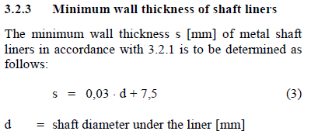
Minimum wall thickness |  |  | (Part-1, Chapter-2, Section-4,D.3.2.3)

Minimum wall thickness | 12 | mm
 | 12 | mm

Coupling |  |  | (Part-1, Chapter-2, Section-4,D.2)

The thickness of coupling flanges on the intermediate and thrust shafts and on the forward end of the propeller shaft must be equal to at least 20 % of the calculated diameter of the shaft.

Thickness of the coupling | 30 | mm

Distance between bearings |  |  | (Part-1, Chapter-2, Section-4,D.5.1)

K2 | 450
The maximum bearing spacing | 5511.3519213 | mm
 | 5520 | mm

Stern tube bearing |  |  | (Part-1, Chapter-2, Section-4,D.5.2.2)

Length of after stern tube bearing | 300 | mm
Length of forward stern tube bearing | 120 | mm

 |  |  |  |  | Sl. No | Description | Mat.spec. | No.OF component
 |  |  |  |  | 1 | Cone nut | M.B BS | 1
 |  |  |  |  | 2 | Cone nut securing screw | M.B BS | 2
 |  |  |  |  | 3 | Propeller key | M.B BS
 |  |  |  |  | 4 | Propeller dia | M.B BS | 1
 |  |  |  |  | 5 | Aft. BRG . securing screw | M.B BS | 3
 |  |  |  |  | 6 | Cover plate securing screw | STEEL BS | 3
 |  |  |  |  | 7 | Aft locking ring | STEEL BS | 1
 |  |  |  |  | 8 | Cover plate | STEEL BS | 1
 |  |  |  |  | 9 | Lock ring securing screw | STEEL BS | 3
 |  |  |  |  | 10 | Forward locking ring | STEEL BS | 1
 |  |  |  |  | 11 | Rubber bearing | RUBBER
 |  |  |  |  | 12 | Sterntube | STEEL BS | 1
 |  |  |  |  | 13 | Tail shaft | FORGED STEEL | 1
 |  |  |  |  | 14 | Forward gland housing | G.M.BS | 1
 |  |  |  |  | 15 | Forward bearing | G.M.BS | 1
 |  |  |  |  | 16 | Greasy packing | GRAPHITE ASBESTOS | 3 TURNS
 |  |  |  |  | 17 | Gland ring | G.M.BS | 1
 |  |  |  |  | 18 | Gland studs and nuts | M.B BS | 2
 |  |  |  |  | 19 | Coupling key | STEEL BS | 1
 |  |  |  |  | 20 | Half coupling | STEEL BS | 1
 |  |  |  |  | 21 | Backing washer | STEEL BS | 1
 |  |  |  |  | 22 | Locking nut | STEEL EnBS | 1
 |  |  |  |  | 23 | Sealing ring | BS | 1
 |  |  |  |  | 24 | Fwd.BRG. securing screw | M.B BS | 1
 |  |  |  |  | 25 | Bearing lock ring | STEEL BS | 1

